Candidate Details
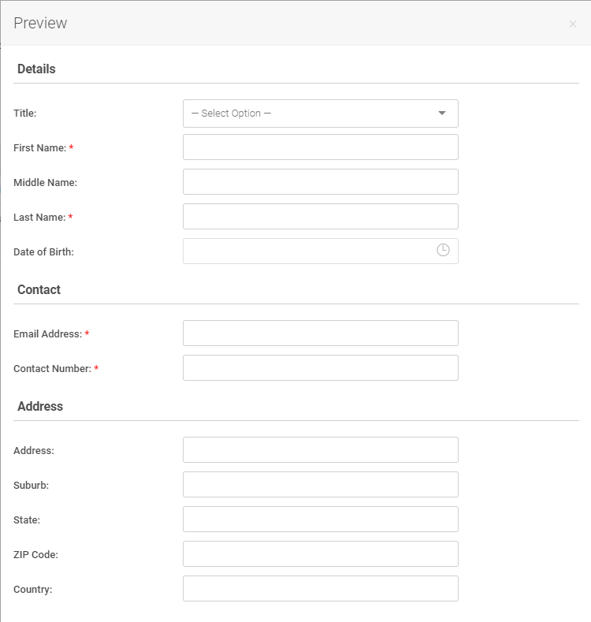
Section | Field Name | Description [optional] | Field Type | Options comma-separated (for drop-down, radio, checkbox only) | Required? | Delete? | Target Role
Details | Title |  | Drop-down List | **auto-populated | No | No | Any | Below is an example of how this form looks (by default)
 | First Name |  | Text (Plain) |  | Yes | No | Any
 | Middle Name |  | Text (Plain) |  | No | No | Any
 | Last Name |  | Text (Plain) |  | Yes | No | Any
 | Date of Birth |  | Datetime |  | No | No | Any
Contact | Email Address |  | Text (Email) |  | Yes | No | Any
 | Contact Number |  | Text (Telephone) |  | Yes | No | Any
Address | Address |  | Text (Plain) |  | No | No | Any
 | Suburb |  | Text (Plain) |  | No | No | Any
 | State |  | Text (Plain) |  | No | No | Any
 | Postcode |  | Text (Plain) |  | No | No | Any
 | Country |  | Text (Plain) |  | No | No | Any

Position Details
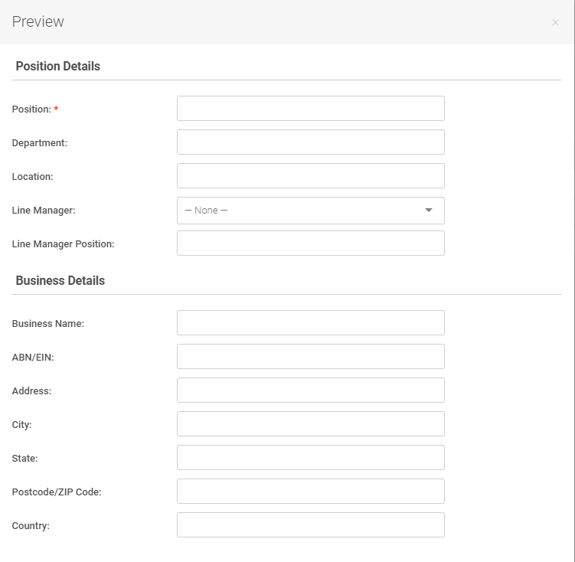
Section | Field Name | Description [optional] | Field Type | Options comma-separated (for drop-down, radio, checkbox only) | Required? | Delete? | Target Role
Position Details | Position |  | Text (Plain) |  | Yes | No | Manager Only | Below is an example of how this form looks (by default)
 | Department |  | Text (Plain) |  | No | No | Manager Only
 | Location |  | Text (Plain) |  | No | No | Manager Only
 | Line Manager |  | Drop-down List | **auto-populated | No | No | Manager Only
 | Line Manager Position |  | Text (Plain) |  | No | No | Manager Only
Business Details | Business Name |  | Text (Plain) |  | No | No | Manager Only
 | ABN/EIN |  | Text (Plain) |  | No | No | Manager Only
 | Address |  | Text (Plain) |  | No | No | Manager Only
 | City |  | Text (Plain) |  | No | No | Manager Only
 | State |  | Text (Plain) |  | No | No | Manager Only
 | Postcode/ZIP Code |  | Text (Plain) |  | No | No | Manager Only
 | Country |  | Text (Plain) |  | No | No | Manager Only

Contract Details
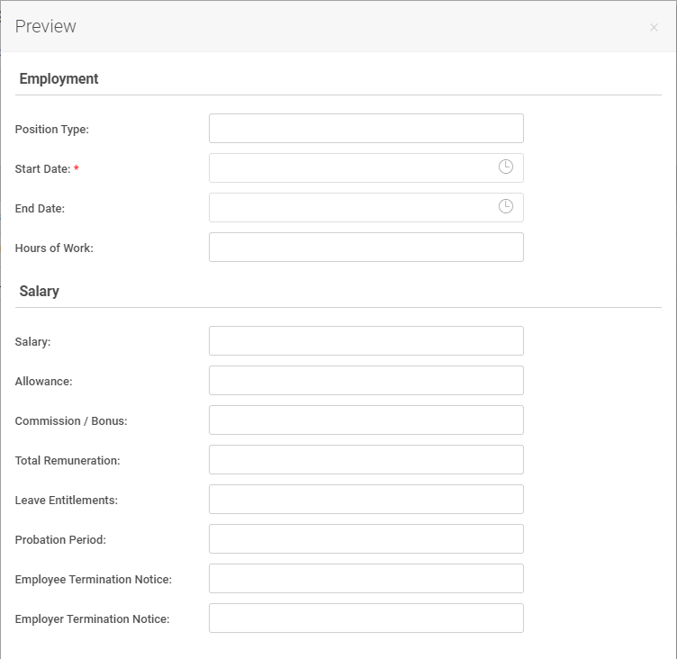
Section | Field Name | Description [optional] | Field Type | Options comma-separated (for drop-down, radio, checkbox only) | Required? | Delete? | Target Role
Employment | Position Type |  | Text (Plain) |  | No | No | Manager Only | Below is an example of how this form looks (by default)
 | Start Date |  | Datetime |  | Yes | No | Manager Only
 | End Date |  | Datetime |  | No | No | Manager Only
 | Hours of Work |  | Text (Plain) |  | No | No | Manager Only
Salary | Salary |  | Text (Plain) |  | No | No | Manager Only
 | Award |  | Text (Plain) |  | No | No | Manager Only
 | Allowance |  | Text (Plain) |  | No | No | Manager Only
 | Commission / Bonus |  | Text (Plain) |  | No | No | Manager Only
 | Superannuation Rate (%) |  | Text (Plain) |  | No | No | Manager Only
 | Total Remuneration |  | Text (Plain) |  | No | No | Manager Only
 | Leave Entitlements |  | Text (Plain) |  | No | No | Manager Only
 | Probation Period |  | Text (Plain) |  | No | No | Manager Only
 | Employee Termination Notice |  | Text (Plain) |  | No | No | Manager Only
 | Employer Termination Notice |  | Text (Plain) |  | No | No | Manager Only

